ET Screen
Emerging Technology Screen - C&I - 2025 PAC CPA

Emerging Technology Measures Included in C&I Energy Efficiency Analysis

Sector | Measure Name | 2023 CPA ET? | 2025 CPA ET? | Notes
Commercial & Industrial | Air-Source HP: IEER 20.3 / COP 3.7 - EIA High Efficiency | x | x
Commercial & Industrial | Geothermal HP: EER 25 / COP 4.5 EIA High Efficiency | x | x
Commercial & Industrial | Int. and Ext. Lighting: LED 2030 Int. and Ext. Lighting: LED 2035 | x x | x | Only including EIA projections of available LED efficacies in 2035 as emerging; other years are part of conventional measure list
Commercial & Industrial | Interior Lighting - Photoluminescent Exit Lighting | x | Removed | Removed from the 2025 CPA analysis. Too small of a difference between this and LED/LEC exit lighting. This also requires incident light, which may not be available in corridors and stairwells.
Commercial & Industrial | Interior Lighting - Retrofit - Networked Lighting Controls | x | x
Commercial & Industrial | RTU: IEER 23.3 - EIA High Efficiency VRF | x | x | Slightly higher IEER than the option in 2023 CPA
Commercial & Industrial | WC Chiller: COP 13.03 (0.27 kW/ton) WC Chiller: COP 14.07 (0.25 kW/ton) | x x | x x
Commercial | Clothes Dryer: UCEF 6.1 - Heat Pump Clothes Dryer: UCEF 8.0 - Heat Pump | x x | x x | High-efficiency heat pump clothes dryers included as emerging. These technologies include internal heat recovery.
Commercial | Commercial Laundry - Ozone Treatment | x | x
Commercial | Commercial Laundry - Alternative Dry-Cleaning Methods | x | x
Commercial | Data Center - Upgrade and Optimization | x | x | Previously "Cutting Edge Measures" measure; AEG has consolidated three measures into one, and a part of this measure is still emerging/cutting edge technologies.
Commercial | Kitchen Ventilation - Heat Recovery | x | Removed | Removed from the 2025 CPA analysis. Unlikely to have an electric heat sink for any real potential. Included last time as this measure was added to Illinois TRM.
Commercial | Ventilation - Adsorbent Air Cleaning | x | Removed | Removed from the 2025 CPA analysis. This measure was included last time based on inclusion in latest Illinois TRM. Still some questions regarding applicability of measures that reduce outside air intake given recent pandemic and airflow concerns. Energy savings come from reducing outside air, but unclear whether these actually materialize.
Commercial | Ventilation - High Efficiency Motors | x | x | Larger-size permanent magnet synchronous motors (PMSM) for ventilation are still emerging.
Commercial | Water Heater: EF 3.90 - Heat Pump | x | x
Commercial | Windows - Dynamic Glazing | x | Consolidated | Removed as a separate measure, included as part of holistic design approach in advanced new construction design measure and very unlikely as a retrofit.
Industrial | Municipal Water Treatment - UV-C LED Disinfection | x | x
Industrial | Municipal Water Treatment - Pulsed Air Mixing | x | Consolidated | Removed as a separate measure, included in water/wastewater treatment optimization measures.
Commercial | Food Service - Induction Cooktop |  | New | Added measure based on California eTRM
Commercial | Pool Heater: High-Efficiency Heat Pump |  | New | Efficient pool heaters can use heat pump technology to achieve significantly higher coefficients of performance.

Emerging Technology Measures Excluded from C&I Energy Efficiency Analysis

Sector | Measure Name | Screened Out in 2025 CPA? |  | Rationale for Exclusion
Commercial & Industrial | Electronics - Advanced Outlets | x |  | Screened out - possible to include, but too much overlap with advanced power strips. If advanced power strips were deactivated for RTF purposes, there is limited appetite for outlets. California only deems power strips.
Commercial & Industrial | HVAC - Advanced Non-Vapor Compression Systems | x |  | While this a large set of important emerging technologies, it is unclear which one will win out; so far only evaporative AC (already a separate measure) and absorption/adsorption heat pumps are commercially available. Other technologies like magnetocaloric, ejector heat pump, and vuilleumier heat pump are in more advanced emerging stage. Most promising with greatest potential (yet still in R&D) is thermoelastic. These technologies are still unproven, with limited to no savings or cost data available. As these technologies come into the market and if they become competitive, the efficiencies will be reflected in HVAC efficiency levels. However, AEG encourages PacifiCorp to fund pilot projects and get better data on these systems.
Commercial & Industrial | HVAC - Natural Ventilation / Mixed-Mode Conditioning | x |  | Screened out - difficult to define savings and costs due to the custom nature of natural ventilation flows based on building architecture, and included in Advanced New Construction Designs measure.
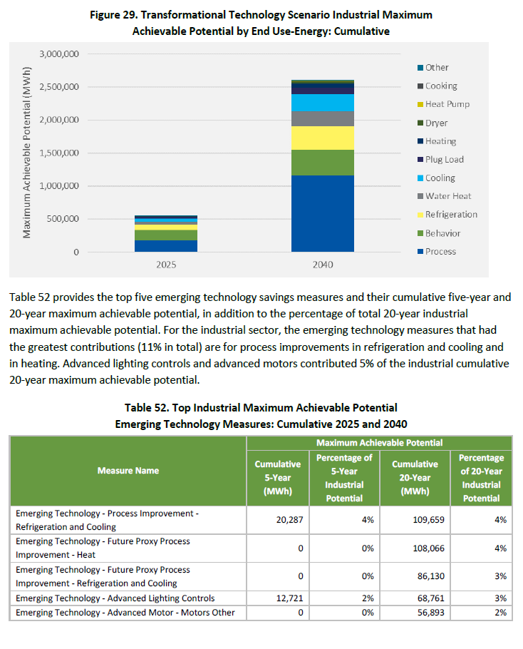
Commercial & Industrial | Insulation - Wall Cavity - Vacuum Insulated Panels | x |  | Screened out - no savings data available, and difficult to get trustworthy costs; recommend revisiting this high efficiency insulation level later. While some target costs may be available, this advanced insulation material is not prevalent at this time and it is especially difficult to justify the cost for the large surface area of a commercial building envelope.
Commercial & Industrial | Motors - Two-Stage Gearboxes | x |  | Lack of reliable measure data resulted in this measures exclusion.
Commercial & Industrial | Non-Intrusive Load Monitoring | x |  | Screened out - this is an enabling technology that allows for more accurate disaggregation and enables more effective behavioral programs for customer feedback, in-home displays and reports, and further EE measure assessment/recommendation. Could be included as part of behavioral program suite.
Commercial & Industrial | Radiative Sky Cooling System | x |  | Screened out: demonstration results limited to California, only applicable to hotter climates. These roof-mounted radiative sky cooling panels have a specialized film that cools when outside. Case study results from Sacramento (SMUD) show that savings from this measure yield less energy savings than photovoltaic panels covering a similar roof footprint.
Commercial & Industrial | Refrigeration - Heat Recovery | x |  | Screened out - no savings data readily available, and difficult to get trustworthy costs for a custom measure such as this. Furthermore, impacts are almost always on gas systems rather than electric ones. The heat recovery system must be engineered for each industrial application due to the varying parameters of the refrigeration system and heat sinks available at a particular facility.
Commercial & Industrial | Refrigeration - Non-Vapor Compression - Magnetocaloric | x |  | Screened out - will be reflected in high efficiency refrigeration if it comes on market, but technology is only at prototypical level.
Commercial & Industrial | Refrigeration - Thermal Storage - Phase Change Materials | x |  | While this is primarily a load shifting technology, letting the refrigeration system coast over the peak period also saves energy by operating during off-peak, colder periods. Most demonstration projects have been done in Southern California, and there is very limited information focusing on energy savings instead of peak shifting. AEG recommends further Pacific Northwest pilots and revisiting this measure once it is more prevalent.
Commercial & Industrial | Ventilation - Hybrid Exhaust Fan | x |  | Screened out: technology still in testing mode. The hybrid turbine-style exhaust fan combines high-efficiency, variable-speed, Electrically-Commutated (EC) motors with a turbine-style fan, to harness wind and reduce power usage. This combination of technologies is more generally known as a “hybrid” exhaust system.
Commercial | Advanced New Construction Design - Connected Communities | x |  | Screened out - Connected Communities (CCs) are collections of buildings (e.g., homes, schools, campuses, mixed use etc.) that incorporate central controls (or intelligence) to manage multiple DERs at the multi-building scale, enabling communication to and from the grid for optimized and coordinated operations and dispatch. This set of holistic measures includes smart electric panels, district HVAC, and intelligent controls for proper balancing of DERs and building systems. Too early to quantify energy savings, and significant overlap with private generation considerations.
Commercial | Chiller - Evaporative - Sub-Wet Bulb | x |  | Given recent demonstrations by PG&E (2017) and SCE (2015), various entities see this as a promising technology. However, it is still difficult to characterize and get reliable data for savings in various locations as well as cost. Most applicable to UT, but no reliable meta-analysis available for the characterization of this custom measure.
Commercial | Commercial Laundry - Clothes Dryer - Heat Recovery | x |  | Limited development for recovering heat to water or space heating, but nevertheless promising application. Likely more applicable to gas dryers. Heat pump clothes dryers are already recovering heat internally, which reduces drying energy use by up to 60% and is already covered by the more advanced heat pump dryer levels.
Commercial | Commercial Laundry - Tunnel Washers | x |  | Screened out: already have advanced laundromat measures. Limited energy savings, significant water savings. A tunnel washing machine utilizes a porous Archimedes screw to move laundry and wash water in opposite (or counterflow) directions. The laundry travels in the upslope direction, while the wash water travels downslope through the holes in the Archimedes screw. The limited costs that are quantified are very large.
Commercial | Commercial Laundry - Wastewater Recycling | x |  | Difficult to characterize and get reliable data for custom process like this, but this measure provides significant energy savings as well was water and wastewater non-energy benefits. Similar to dryer heat recovery, this is likely to be more applicable to gas water heating.
Commercial | Insulation - Phase-Change Building Materials | x |  | Screened out as an emerging technology with limited market traction so far; more academic research has become available but reliable savings and costs are difficult to quantify. Phase-change materials that can both store thermal energy and solar electricity are especially interesting.
Commercial | Insulation - Wall Cavity - Aerogel | x |  | Screened out - no savings data available, and difficult to get trustworthy costs; recommend revisiting this high efficiency insulation level later. While some target costs may be available, this advanced insulation material is not prevalent at this time and it is especially difficult to justify the cost for the large surface area of a commercial building envelope.
Commercial | HVAC - Predictive Energy Optimization | x |  | This measure acts as an automated supervisory control system for HVAC systems in commercial buildings, using artificial intelligence and sensors to reduce energy consumption, operating costs, and emissions. It connects to most existing building energy management systems (BEMS). While some pilot field validation data is available for one particular vendor, it is limited in scope and costs are not available. Recommend revisiting.
Industrial | Electric Arc Furnace - Waste Heat Recovery | x |  | New Arc Furnaces are a measure from 2021 Power Plan and in the measure list, so their saturation will have to be quantified and waste heat recovery for these units could be included as an emerging industrial measure. No cost data available; will likely have to use DEER air-to-air heat exchanger cost. However, the waste heat from these systems can be high quality and could be used to generate electricity in a Waste Heat to Power application.
Industrial | Food Processing - Radio Frequency Defrosting | x |  | Promising technology, although costs are not freely available. Have to exclude since this is an electrification technology that mostly replaces gas process heating of air and water for frozen food defrosting.
Industrial | Paper and Pulp - Low Shear Repulping Unit for Coated Paper Recovery | x |  | Significant amount of energy and (unquantified) non-energy benefits compared to a thermo-mechanical pulp mill processing virgin material. Can include if more data is found, but not enough to include at the moment.
Industrial | Petroleum Pump - Energy Management | x |  | This is a measure mix for the petroleum extraction segment, with energy savings of 17-52% of baseline when tested by PG&E at three (3) host sites. Data is limited. Two of the three measures are not included in the scope of the CPA
Industrial | Process - Additive Manufacturing - Aerospace - Titanium Brackets | x |  | The Pacific Northwest (specifically Washington) has a large aerospace industry. AEG has found significant potential for additive manufacturing in this field. While process measures are always custom and difficult to quantify, AEG can leverage our prior case study and lifecycle analysis for this application to characterize this measure. Note: While AM does provide significant energy savings on a Btu basis, these are typically not electricity savings. Electrification/fuel switching occurs by supplanting large gas heating process with electrified AM/industrial 3D printing methods.
Industrial | Process - Additive Manufacturing - Automotive - Aluminum Pump Housing | x |  | AEG has found significant potential for additive manufacturing in the automotive field. While process measures are always custom and difficult to quantify, AEG can leverage our prior case study and lifecycle analysis for this application to characterize this measure. Note: While AM does provide energy savings on a Btu basis, these are typically not electricity savings. Electrification/fuel switching occurs by supplanting large gas heating process with electrified AM/industrial 3D printing methods.
Industrial | Process - Heat Treatment - Electron Beam Curing | x |  | This measure can apply across many manufacturing segments, but no costs are currently available. Possibility of fuel switching when autoclaves are direct fuel-fired, but the autoclaves discussed by E3TNW (no longer an actively updated database) are electric. Very limited applicability.
Industrial | Process - Heat Treatment - Microwave Curing/Sintering/Heat Treatment | x |  | This measure can apply across many manufacturing segments, but no costs are currently available. Possibility of fuel switching when ceramic sintering units are direct fuel-fired, but the baseline units discussed by E3TNW (no longer an actively updated database) are electric.
Industrial | Process Heating - Exhaust Energy Recovery | x |  | Screened out - custom applications that are often retrofitted on a natural gas system. No costs available.
Industrial | Process Optimization - Near-Net-Shape Casting | x |  | Screened out - Promising measure, but applicable to direct fuel-fired process and unlikely to save electricity on site.
Irrigation | Scientific Irrigation Practices | x |  | This is no longer included in the Power Plan and has been identified as standard practice by the Council.
Commercial | Refrigerated Display Cases - Aerofoils | New |  | Screened out - not quantified at this time. Aerofoils are thin, rigid strips (either a single strip or two strips) attached to the end of each shelf. They are positioned perpendicularly across the display case's air curtain and direct airflow down, strengthening the barrier and reducing infiltration between the refrigerated space and the warm, moist air outside the display case. While lab test data is available, energy savings performance data from field tests are still unavailable.
Commercial | Refrigerated Medium-Temperature Display Cases - Liquid-cooled with Advanced Controls | New |  | Screened out - It is a very promising technology, with manufacturers estimating it can reduce energy use by 30-50% and result in refrigerant charge size reductions of 95% compared to the industry standard practice of an air-cooled, self-contained, medium-temperature HFC case without integrated controls. However, there is no performance data yet available.

